Activity 1,2
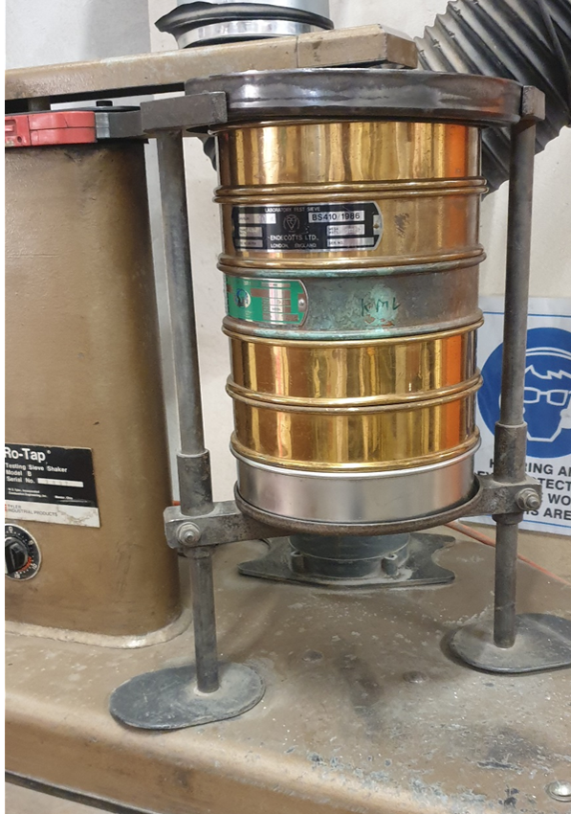
ACTIVITY 1
Feed Sizing |  |  |  |  |  |  |  |  | Product Sizing
Screen ranges (µm) | Passing size (µm) | Mass (g) |  |  |  |  |  |  | Passing Size (µm) | Mass (g)
-3350 +2000 | 3350 | 201 |  |  |  |  |  |  | 200 | 65
-2000 +800 | 2000 | 247 |  |  |  |  |  |  | 180 | 181
-800 +500 | 800 | 62 |  |  |  |  |  |  | 125 | 154
-500 +180 | 500 | 51 |  |  |  |  |  |  | 75 | 64
-180 +63 | 180 | 35 |  |  |  |  |  |  | 63 | 68
-63 | 63 | 43 |  |  |  |  |  |  | 53 | 50
Total |  | 639 |  |  |  |  |  |  | Total | 582

Step 1: Feed F80
Passing size (µm) | 3350 | 2000 | 800 | 500 | 180 | 63
Mass (g) | 201 | 247 | 62 | 51 | 35 | 43 | 639
Cumulative Mass (g) | 639 | 438 | 191 | 129 | 78 | 43 |  | Starting with the smallest size fraction, add the masses progressively of each larger size fraction so that the mass in column B equals the total mass.
Cumulative % | 100.0 | 68.5 | 29.9 | 20.2 | 12.2 | 6.7 |  | Divide the cumulative mass by the total and multiple by 100

F80 graph

F80 |  | microns | used for calculations in Activity 2

Step 2: Product P80
Passing size (µm) | 200 | 180 | 125 | 75 | 63 | 53
Mass (g) | 65 | 181 | 154 | 64 | 68 | 50 | 582
Cumulative Mass (g) |  |  |  |  |  |  |  | Now repeat the process above, for P80
Cumulative %

P80 graph
200
180
125
75
63
53

P80 |  | microns | used for calculations in Activity 2

ACTIVITY 2
S | 180 | microns
G | 1.69 | g/rev
P80 | 0 | microns (see Activity 1)
F80 | 0 | microns (see Activity 1)
Bond Work Index Wi |  | kWh/t (input formula) |  | input equation 1 from worksheet

Ultra-fine grinding
Wi | 0.00 | kWh/t (from value above)

F80 | P80 | W
500 | 120 |  |  | input equation 2 from worksheet
500 | 90
500 | 60
500 | 35
500 | 15
500 | 5

 | W
120
90
60
35
15
5

Activity 3
 |  |  |  |  | Each group takes 1 Set to do these calculations
Table 1
 |  |  | Step 1 | Step 2 |  | Step 3 |  | Step 4 | Step 5 |  |  |  |  |  | GRADE | RECOVERY
Rock # | Grade (mg/kg) | Set # | Sorted Grade (mg Au/kg) | Rock Mass (kg) | Mass of gold in rock (mg) | Mass of gold in Sett (mg) | Grade of gold in Set (mg/kg) | Gold Mass - Total (mg) | % Gold in Set | Set # | % Gold in Sets | Grade of gold in Sets (mg/kg) | Mass of gold in Sets (mg) | Accepted Set(s) | Average Grade in Accepted Sets | % Cumulative Gold
1 | 5.56 | 1 |  | 0.5 |  |  |  |  |  | 1 | 0.00 | 0.000 | 0.00 | 1
2 | 0.3 | 1 |  | 0.5 |  |  |  |  |  | 2 | 0.00 | 0.000 | 0.00 | 12
3 | 0.65 | 1 |  | 0.5 |  |  |  |  |  | 3 | 0.00 | 0.000 | 0.00 | 123
4 | 2.03 | 1 |  | 0.5 |  |  |  |  |  | 4 | 0.00 | 0.000 | 0.00 | 1234
5 | 0.44 | 1 |  | 0.5 |  |  |  |  |  | 5 | 0.00 | 0.000 | 0.00 | 12345
6 | 0.18 | 1 |  | 0.5 |  |  |  |  |  | 6 | 0.00 | 0.000 | 0.00 | 12356
7 | 6.7 | 2 |  | 0.5 |  |  |  |  |  | 7 | 0.00 | 0.000 | 0.00 | 1234567
8 | 0.72 | 2 |  | 0.5 |  |  |  |  |  | 8 | 0.00 | 0.000 | 0.00 | 12345678
Theoretical Grade Recovery Curve
 | Theoretical
9 | 0.52 | 2 |  | 0.5
10 | 0.04 | 2 |  | 0.5
11 | 0.42 | 2 |  | 0.5
12 | 0 | 2 |  | 0.5
13 | 0.19 | 3 |  | 0.5
14 | 5.3 | 3 |  | 0.5
15 | 0.05 | 3 |  | 0.5
16 | 0.84 | 3 |  | 0.5
17 | 0.41 | 3 |  | 0.5
18 | 0.38 | 3 |  | 0.5
19 | 0.02 | 4 |  | 0.5
20 | 0.3 | 4 |  | 0.5
21 | 0.02 | 4 |  | 0.5
22 | 1.48 | 4 |  | 0.5
23 | 0.02 | 4 |  | 0.5
24 | 0.02 | 4 |  | 0.5
25 | 0.26 | 5 |  | 0.5
26 | 0.42 | 5 |  | 0.5
27 | 0.02 | 5 |  | 0.5
28 | 0.01 | 5 |  | 0.5
29 | 0.96 | 5 |  | 0.5
30 | 0.02 | 5 |  | 0.5
31 | 0.77 | 6 |  | 0.5
32 | 1.85 | 6 |  | 0.5
33 | 0.01 | 6 |  | 0.5
34 | 0 | 6 |  | 0.5
35 | 1.84 | 6 |  | 0.5
36 | 0.2 | 6 |  | 0.5
37 | 0.66 | 7 |  | 0.5
38 | 0.7 | 7 |  | 0.5
39 | 0.58 | 7 |  | 0.5
40 | 0.01 | 7 |  | 0.5
41 | 2.86 | 7 |  | 0.5
42 | 1.21 | 7 |  | 0.5
43 | 0.01 | 7 |  | 0.5
44 | 0.21 | 8 |  | 0.5
45 | 0.01 | 8 |  | 0.5
46 | 0.61 | 8 |  | 0.5
47 | 0.31 | 8 |  | 0.5
48 | 0.02 | 8 |  | 0.5
49 | 0.29 | 8 |  | 0.5
50 | 7.96 | 8 |  | 0.5

Activity 4
 | Theoretical | Actual
0.00 | 0.00
0.00 | 0.00
0.00 | 0.00
0.00 | 0.00
0.00 | 0.00
0.00 | 0.00
0.00 | 0.00
0.00 | 0.00
Rock # | Grade (mg/kg Au) | Set A/B (ACTUAL sorting) | Mass of gold in rock (mg) | Total Mass of rocks (kg) | Mass of gold in Set (mg) | Total gold (mg) |  |  | Data from previous sheet
50 | 7.96
7 | 6.7 |  |  |  |  |  | Actual |  | Theoretical
1 | 5.56 |  |  |  |  |  | Grade | Recovery | GRADE | RECOVERY
14 | 5.3 |  |  |  |  |  |  |  | 0.00 | 0.00
41 | 2.86 |  |  |  |  |  |  |  | 0.00 | 0.00
4 | 2.03 |  |  |  |  |  |  |  | 0.00 | 0.00
32 | 1.85 |  |  |  |  |  |  |  | 0.00 | 0.00
35 | 1.84 |  |  |  |  |  |  |  | 0.00 | 0.00
22 | 1.48 |  |  |  |  |  |  |  | 0.00 | 0.00
42 | 1.21 |  |  |  |  |  |  |  | 0.00 | 0.00
29 | 0.96 |  |  |  |  |  |  |  | 0.00 | 0.00
16 | 0.84
31 | 0.77
8 | 0.72
38 | 0.7
37 | 0.66
3 | 0.65
46 | 0.61
39 | 0.58
9 | 0.52
5 | 0.44
11 | 0.42
26 | 0.42
17 | 0.41
18 | 0.38
47 | 0.31
2 | 0.3
20 | 0.3
49 | 0.29
25 | 0.26
44 | 0.21
36 | 0.2
13 | 0.19
6 | 0.18
15 | 0.05
10 | 0.04
19 | 0.02
21 | 0.02
23 | 0.02
24 | 0.02
27 | 0.02
30 | 0.02
48 | 0.02
28 | 0.01
33 | 0.01
40 | 0.01
43 | 0.01
45 | 0.01
12 | 0
34 | 0

